2、送货单（香-店）
Hong Kong Andeo Group Limited
送貨清單
客戶名稱（Customer Name）： |  | 東莞市慕聲商貿有限公司
送貨日期（Delivery date）： |  | 2025/10/22 | 送貨單號(Delivery Number)： |  | 20251022001
No | 產品名稱(Product Name) |  | 數量(quantity) | 備註（對應貨件編號）
1 | MSCA-D70-7-5 |  | 18 | FBA15KS2KR8T
2 | MSCA-D70-5-3 |  | 14 | FBA15KS2KR8T
3 | MSCA-D70-6-3 |  | 27 | FBA15KS2KR8T
4 | MSCA-D70-2-4 |  | 9 | FBA15KS2KR8T
5 | MSCA-D70-7-6 |  | 5 | FBA15KS2KR8T
6 | MSCA-D70-5-6 |  | 17 | FBA15KS2KR8T
7 | MS-D06-208-4 |  | 203 | FBA190PML7KM
8 | MSEU-D33-25-4 |  | 152 | FBA190PML7KM
9 | MSEU-D74-2-3 |  | 152 | FBA190PML7KM
10 | MSUK-D25-206-3 |  | 149 | FBA15KS3Q60G
11 | MS-D22-6-5 |  | 111 | FBA15KS3Q60G
12 | MSUK-D75-268-3 |  | 223 | FBA15KS3Q60G
13 | MSUK-D25-206-5 |  | 74 | FBA15KS3Q60G
14 | MSUK-D71-2-4 |  | 37 | FBA15KS3Q60G
15 | MSUK-D63-209-4 |  | 149 | FBA15KS3Q60G
16 | MSUK-D75-206-2 |  | 20 | FBA15KS2JHM3
17 | MSUK-D75-20-2 |  | 15 | FBA15KS2JHM3
18 | MSUK-D60-2-3 |  | 30 | FBA15KS2JHM3
19 | MSUK-D74-5-2 |  | 10 | FBA15KS2JHM3
20 | MSUK-D74-5-4 |  | 5 | FBA15KS2JHM3
21 | MSUK-D47-5-2 |  | 20 | FBA15KS2JHM3
22 | MSEU-D63-209-4 |  | 99 | FBA1906ZGNKS
23 | MSEU-D71-2-5 |  | 75 | FBA1906ZGNKS
24 | MSEU-D75-208-3 |  | 149 | FBA1906ZGNKS
25 | MSEU-D75-206-3 |  | 50 | FBA1906ZGNKS
26 | MSEU-D71-5-6 |  | 124 | FBA1906ZGNKS
27 | MSUK-D63-209-5 |  | 232 | FBA15KQDHXLS
28 | MS-D06-368-2 |  | 174 | FBA15KQDHXLS
29 | MSUK-D75-206-5 |  | 174 | FBA15KQDHXLS
30 | MSUK-D74-7-5 |  | 99 | FBA15KQ9WG61
31 | MSUK-D75-208-5 |  | 74 | FBA15KQ9WG61
32 | MS-D06-2-2- |  | 149 | FBA15KQ9WG61
33 | MSUK-D47-5-5 |  | 50 | FBA15KQ9WG61
34 | MSUK-D47-2-4 |  | 124 | FBA15KQ9WG61
35 | MSCA-D70-7-4 |  | 28 | FBA15KPW102L
36 | MSCA-D70-5-4 |  | 21 | FBA15KPW102L
37 | MSCA-D70-2-3 |  | 42 | FBA15KPW102L
38 | MSCA-D70-2-5 |  | 14 | FBA15KPW102L
39 | MSCA-D70-25-5 |  | 35 | FBA15KPW102L
40 | MSEU1-D25-209-5 |  | 351 | FBA18ZQ1JVHD
41 | MSEU-D63-209-2 |  | 140 | FBA18ZQ1JVHD
42 | MSEU-D71-5-2 |  | 210 | FBA18ZQ1JVHD
數量合計(Total quantity)： |  |  | 3854
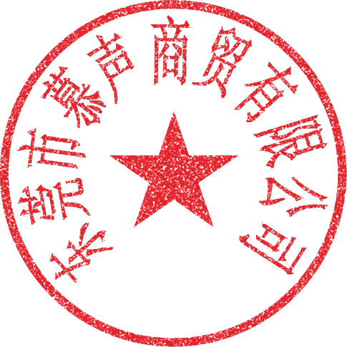 特別說明: 1、貨物一經簽收，即視為貨物數量無誤; 2、收貨方如發現品質問題請在收到貨後七天內向送貨方提出，否則送貨方一律不承擔任何責任。 Special Notes: 1. Once the goods are signed for, it is assumed that the quantity of the goods is correct. 2. If the recipient discovers any quality issues, they must inform the supplier within seven days of receiving the goods; otherwise, the supplier shall not assume any responsibility.
收貨單位及經手人(Receiving unit and handler):
送貨單位及經手人(Shipping company and the person in charge of the delivery):

